Hal 2.1
PT. LAWENCON INTERNASIONAL

EVALUASI KINERJA KARYAWAN TAHUN: 2021

 | No | TARGET PEKERJAAN (berdasarkan role)

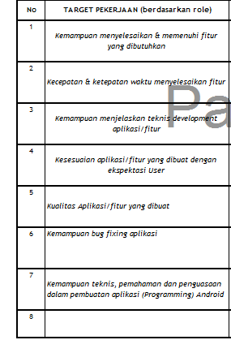
 | 1 | kecepatan & ketepatan waktu menyelesaikan fitur

 | 2 | kemampuan menyelesaikan & memenuhi fitur yang dibutuhkan

 | 3 | kesesuaian aplikasi/fitur yang dibuat dengan ekspektasi user

 | 4 | kualitas aplikasi yang dibuat

 | 5 | kemapuan teknis, pemahaman dan penguasaan dalam pembuatan aplikasi java

 | 6 | kemampuan bug fixing aplikasi

 | 7 | kemampuan menjelaskan teknis development aplikasi/fitur

 | 8 | kemampuan pemecahan masalah/memberi solusi teknis

Hal 2.2
 | <nama proyek atau penugasan wajib diisikan oleh employee>
 | <jadwal tergantung durasi,apakah per bulan or per week or per periode tertentu sesuai penugasan>

 | Assignment Tasks & Projects

Schedule | Project Name | Item | Periode | Status
Januari | Integration - Kafka,API Gateway,MQ (BTPN) | 1. Support Topic Creation | 1 Januari - 31 Januari 2021 | done
 |  | 2. Kafka Micro service - Facebook Marketing Data Implement DC & DR
 |  | 3. Kafa Micro service - Increase coverage to 85% (Kafka alert telegram & Jenius FB)
 |  | 4. Kafka Confluent Upgrade in Production from version 5.3.1 to version 5.5.2
 |  | 5. Create ACL for Jenius
 |  | 6. Install Kafka in DRC

Februari | Integration - Kafka,API Gateway,MQ (BTPN) | 1. Kafka Micro service - FB Marketing Data - implement SSL | 1 Februari - 28 Februari 2021 | done
 |  | 2. Install Kafka in DRC
 |  | 3. Support Taspen - flagging NED Manual
 |  | 4. Migration Micro service Appsflyer from ESB to CosIntegration
 |  | 5. Deploy Production For MQ Migration - Jenius Lending
 |  | 6. Support Topic Creation

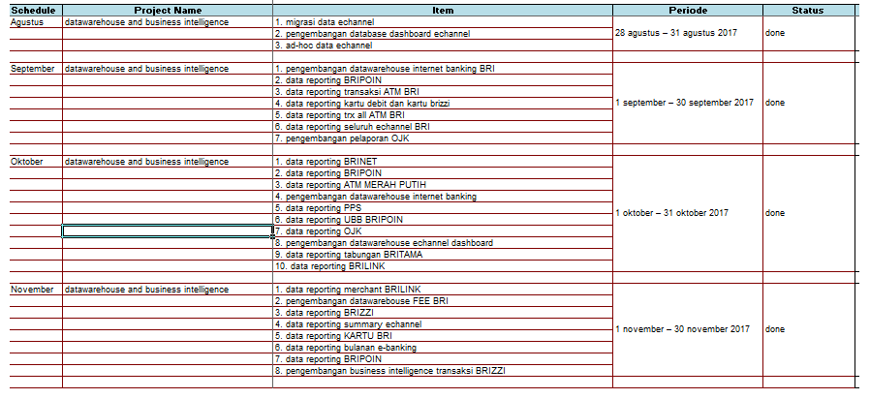
Maret | Integration - Kafka,API Gateway,MQ (BTPN) | 1. MS Fb Marketing data - Change Logic Filter (testing by user) | 1 Maret - 31 Maret 2021 | done
 |  | 2. Fixing Confluent Control Center UAT DR
 |  | 3. Kafka Connect for MQ Migration TH (Transaction History)
 |  | 4. Support Topic Creation
 |  | 5. Support BFEQ Upgrade
 |  | 6. Support Taspen - flagging NED Manual
 |  | 7. Deploy Production - Kafka Migration, Create Kafka connect & KSQL for Jenius TH Transaksi

April | Integration - Kafka,API Gateway,MQ (BTPN) | 1. Support Topic Creation | 1 April - 26 April 2021 | done
 |  | 2. Support BFEQ Upgrade
 |  | 3. Support Taspen - flagging NED Manual
 |  | 4. Support Micro service Java for ms-cards UAT
 |  | 5. Support Micro service Java for BES LOAN
 |  | 6. Kafka Connect HTTPS
 |  | 7. Install KSQL on Docker VM | 26 April - 30 April 2021 | continue

Mei | Integration - Kafka,API Gateway,MQ (BTPN) | 1. Install KSQL on Docker VM | 1 Mei - 31 Mei 2021 | cancel
 |  | 2. Support BFEQ Upgrade | 1 Mei - 31 Mei 2021 | done
 |  | 3. Support Topic Creation
 |  | 4. Support Taspen - flagging NED Manual
 |  | 5. Support Micro service FB - Marketing Data

Juni | Integration - Kafka,API Gateway,MQ (BTPN) | 1. Support Topic Creation | 1 Juni - 30 Juni 2021 | done
 |  | 2. Support BFEQ Upgrade
 |  | 3. Support Topic Creation (Create ACL)
 |  | 4. Support Micro service FB - Marketing Data
 |  | 5. Support Taspen - flagging NED Manual
 |  | 6. Support MQ TH TRX (Transaction History)
 |  | 7. Explore Kafka Connect Microsoft SQL server
 |  | 8. Meeting with User - CR First

Juli | Integration - Kafka,API Gateway,MQ (BTPN) | 1. Support Micro service FB - Marketing Data | 1 Juli - 31 Juli 2021 | done
 |  | 2. Support Topic Creation
 |  | 3. Support Taspen - flagging NED Manual
 |  | 4. Support Appsflyer
 |  | 5. Create Document Implan Kafka DR
 |  | 6. Create Cronjob Server DR
 |  | 7. Cleansing Topic Internal DR
 |  | 8. Explore Kafka Connect Microsoft SQL server

Agustus | Integration - Kafka,API Gateway,MQ (BTPN) | 1. Support Taspen - flagging NED Manual | 1 Agustus - 31 Agustus 2021 | done
 |  | 2. Explore Kafka Connect Microsoft SQL server
 |  | 3. Support Micro service FB - Marketing Data (Change Permanent Token)
 |  | 4. Support Topic Creation
 |  | 5. Micro service - Kafka Connect Health Check
 |  | 6. Kafka Connect HTTPS (TFMS - Appsflyer)
 |  | 7. Meeting with IT DS ( Data Security)

September | Integration - Kafka,API Gateway,MQ (BTPN) | 1. Support Topic Creation | 1 September - 30 september 2021 | done
 |  | 2. Kafka Connect Microsoft SQL Server for LOAN-IQ
 |  | 3. Kafka Connect Microsoft SQL Server AML Feeder
 |  | 4. Kafka Connect HTTPS (TFMS - Appsflyer)
 |  | 5. Prepare Instalasi server Kafka connect UAT
 |  | 6. Kafka Connect SFTP | 30 September 2021 | cancel

Oktober | Integration - Kafka,API Gateway,MQ (BTPN) | 1. Support Topic Creation for Commandos & JENIUS | 1 Oktober - 31 Oktober 2021 | done
 |  | 2. Kafka Connect Microsoft SQL Server for LOAN-IQ
 |  | 3. Kafka Connect HTTPS (TFMS - Appsflyer)
 |  | 4. Maintenance Micro service Appsflyer UAT
 |  | 5. Kafka Connect for user LOS Environment Production
 |  | 6. Instalasi server Kafka connect UAT
 |  | 7. Update Trial License Confluent SIT & UAT
 |  | 8. Maintenance Server Kafka Connect UAT 213,214 create cron job & auto zip for logging
 |  | 9. Update New License Confluent SIT, UAT & Production
 |  | 10. Create ACL for COMMANDOS

November | Integration - Kafka,API Gateway,MQ (BTPN) | 1. Fixing Confluent Control Center & Cleansing Kafka Broker | 1 November - 30 November 2021 | done
 |  | 2. Support Topic Creation JENIUS, WMS & Create ACL PROD
 |  | 3. Support Card Zone
 |  | 4. Support Kafka Connect Microsoft SQL Server for LOAN-IQ
 |  | 5. Create Connect Replicator Topic DR - DC Production
 |  | 6. Create Document Implan Kafka Connect Environment Production ( New Version )
 |  | 7. Whitelist IP & Port Kafka Connect PROD - MQ
 |  | 8. Support Kafka Consulting - Apache Kafka Environment SIT (Request Time Out)
 |  | 9. Support Connect Card List Cache PROD
 |  | 10. Support Taspen - flagging NED Manual
 |  | 11. Meeting WMS Issue PROD

